Front Page
CURRENT LIST 384 - Monday 20th December 2021

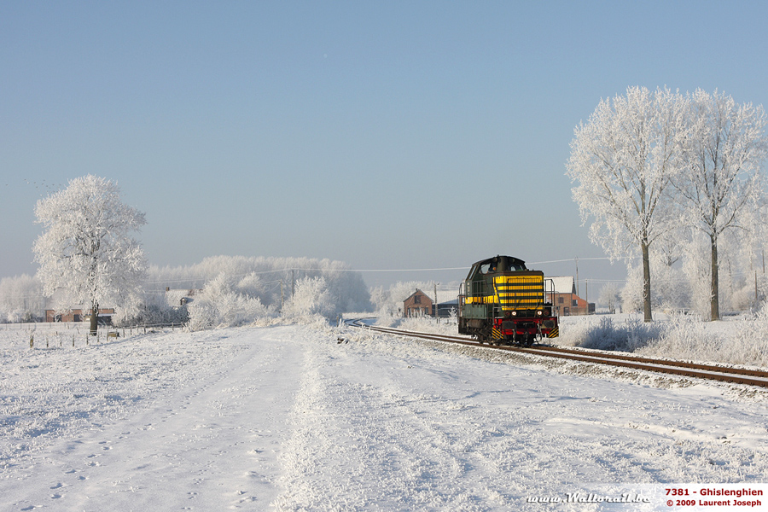

Tis the time of year when I offer felicitations to all the listeners to this fine newsletter. In my opinion, this is one of the finest winter railway pictures that I have seen. 7381 goes about it's business 12 years ago in this wonderful photo by Laurent Joseph. It is reported in this week's Ramble that Line 287 to Ghislenghien is out of service.

7381 is still with us and is at PACOT at Auvelais
https://www.flickr.com/photos/terryglos/46992745165/in/photolist-2hmacyc-BEj95T-Bgjvp9-2eAA6We/

